Service Elements
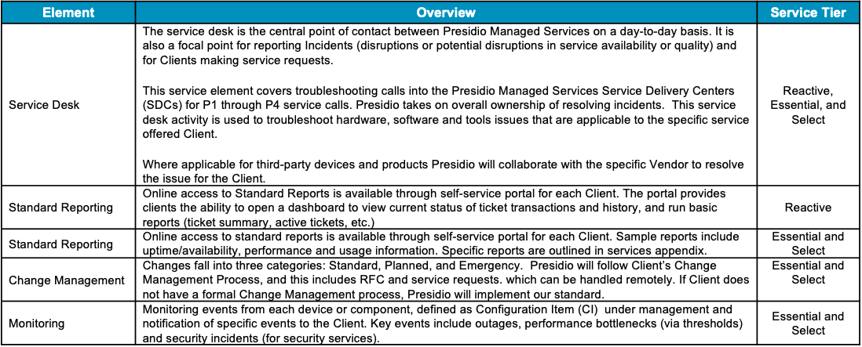
Service Elements
Element | Reactive | Essentials | Select
24x7 Service Desk | X | X | X
Incident Management | X | X | X
Client Portal | X | X | X
Change Management | X | X | X
Service Transition | X | X | X
24x7 Monitoring |  | X | X
Reporting |  | X | X
MACD |  |  | X
Problem Management |  |  | X
Patch Management |  |  | X
Carrier Case Management |  |  | X
Dispatch Services |  |  | X

